PPM Prod Cycle 2
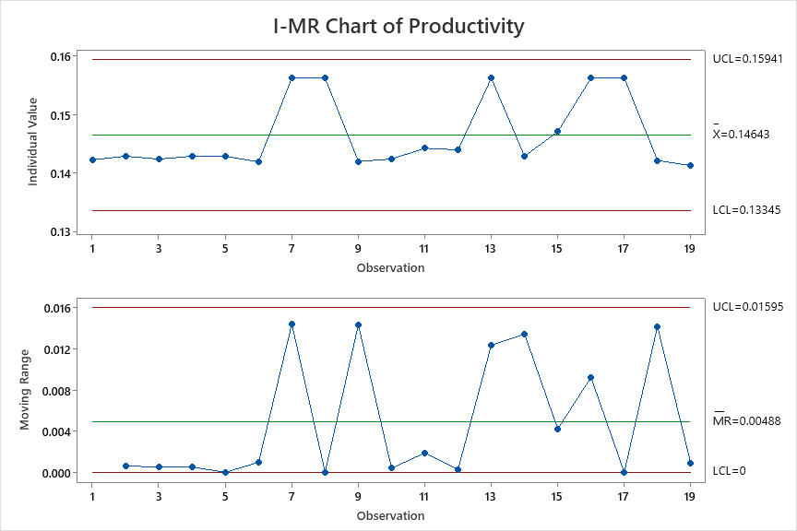
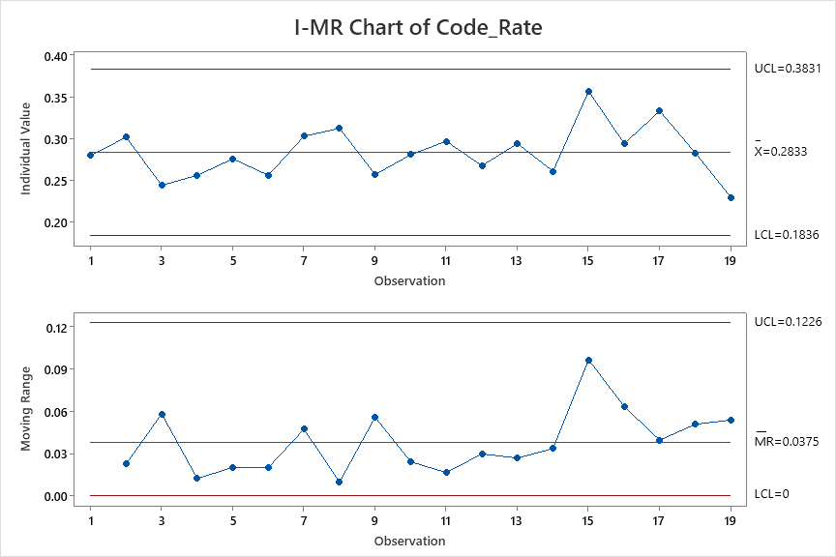
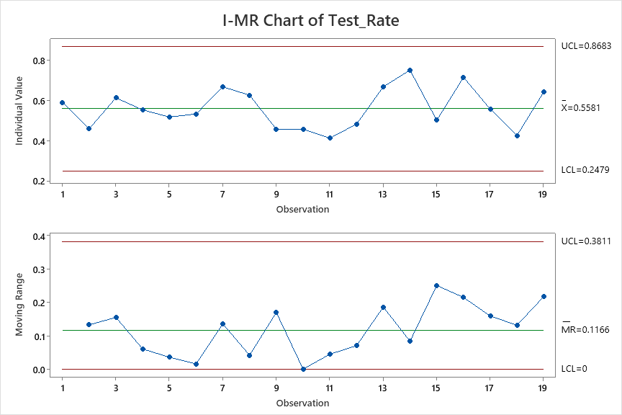
Productivity | Code_Rate | Test_Rate
0.142 | 0.280 | 0.589
0.143 | 0.302 | 0.457
0.142 | 0.244 | 0.612
0.143 | 0.256 | 0.552
0.143 | 0.276 | 0.516
0.142 | 0.256 | 0.532
0.156 | 0.303 | 0.667
0.156 | 0.313 | 0.625
0.142 | 0.257 | 0.455
0.142 | 0.281 | 0.456
0.144 | 0.297 | 0.411
0.144 | 0.268 | 0.481
0.156 | 0.294 | 0.667
0.143 | 0.261 | 0.750
0.147 | 0.357 | 0.500
0.156 | 0.294 | 0.714
0.156 | 0.333 | 0.556
0.142 | 0.283 | 0.424
0.141 | 0.229 | 0.641

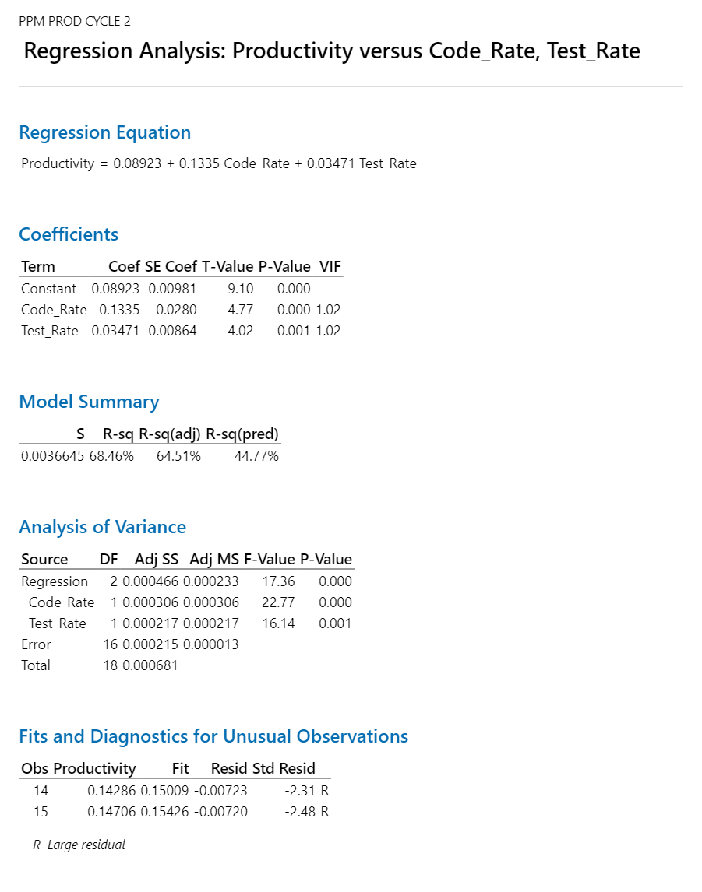

 |  |  | Regression Equation
 |  |  | Productivity | = | 0.08923 + 0.1335 Code_Rate + 0.03471 Test_Rate

 |  |  |  | AS-IS | Productivity | Code_Rate | Test_Rate
 |  |  |  | Mean | 0.1464 | 0.2833 | 0.5581 |  | 6.8306010929
 |  |  |  | SD | 0.004 | 0.033 | 0.103
 |  |  |  | UCL | 0.15941 | 0.3831 | 0.8683 |  | 6.2731321749
 |  |  |  | LCL | 0.13345 | 0.1836 | 0.2479 |  | 7.4934432372

 |  |  |  | Target | Productivity
 |  |  |  | Mean | 0.16 |  | 0.01464 | mean | 6.2096373572
 |  |  |  | SD | 0.05 |  |  | ucl | 0.172
 |  |  |  |  |  |  |  | lcl | 0.138
 |  |  |  | What if | Productivity | Code_Rate | Test_Rate | sd | 0.051666666667
 |  |  |  | Mean | 0.1599049 | 0.35 | 0.69 |  |  | 2.8571428571 | 1.4492753623 | 0.50724637681
 |  |  |  | SD | 0.050 | 0.050 | 0.050
 |  |  |  | USL | 0.3099049 | 0.5 | 0.84
 |  |  |  | LSL | 0.0099049 | 0.2 | 0.54

 |  |  |  | Action Plan
 |  |  | 1 | How to Improve Code Rate
 |  |  | 2 | How to Improve Test Rate

 |  |  | 1. Outlier Analysis

 |  |  | 2. Action Plan for Improvement

PPM CT Cycle 2
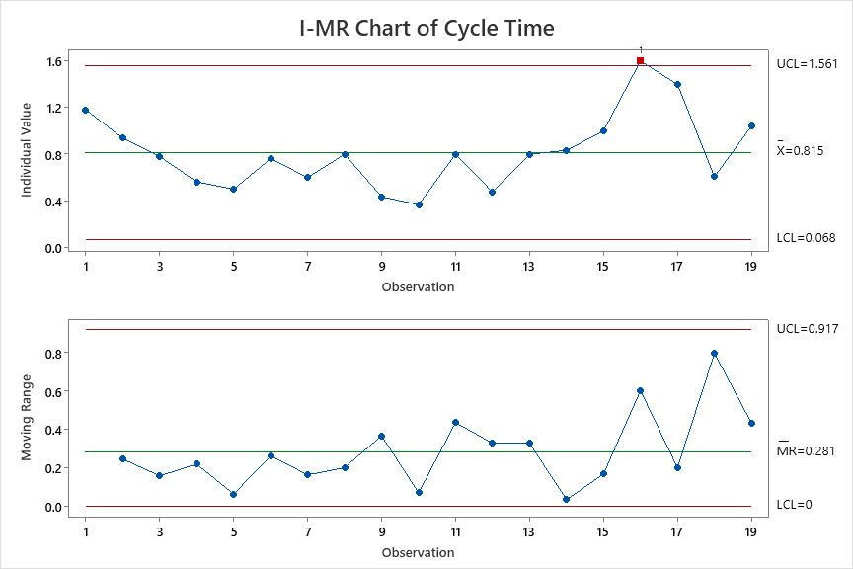
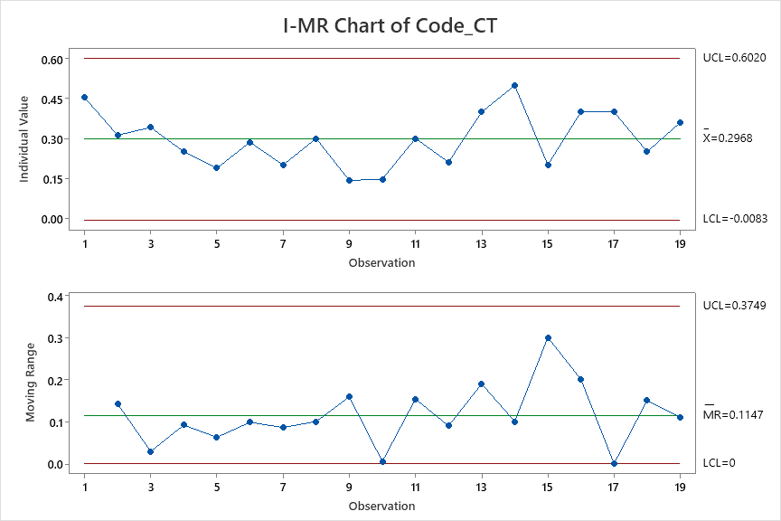
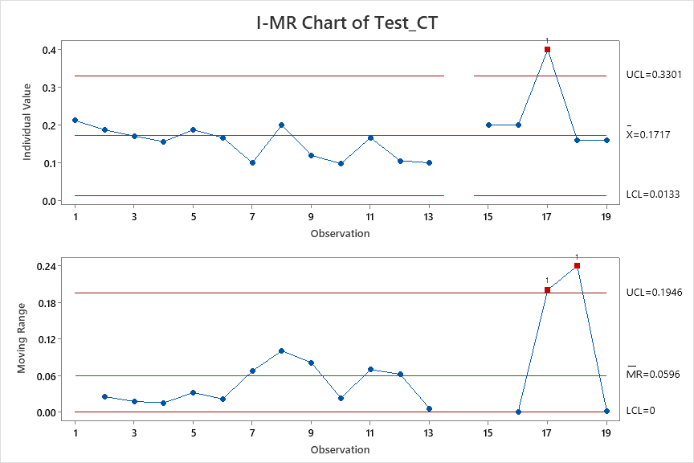
Cycle Time | Code_CT | Test_CT
1.182 | 0.455 | 0.212
0.938 | 0.313 | 0.188
0.780 | 0.341 | 0.171
0.563 | 0.250 | 0.156
0.500 | 0.188 | 0.188
0.762 | 0.286 | 0.167
0.600 | 0.200 | 0.100
0.800 | 0.300 | 0.200
0.435 | 0.141 | 0.120
0.366 | 0.146 | 0.098
0.800 | 0.300 | 0.167
0.474 | 0.211 | 0.105
0.800 | 0.400 | 0.100
0.833 | 0.500 | 0.333 | *
1.000 | 0.200 | 0.200
1.600 | 0.400 | 0.200
1.400 | 0.400 | 0.400
0.607 | 0.250 | 0.161
1.040 | 0.360 | 0.160

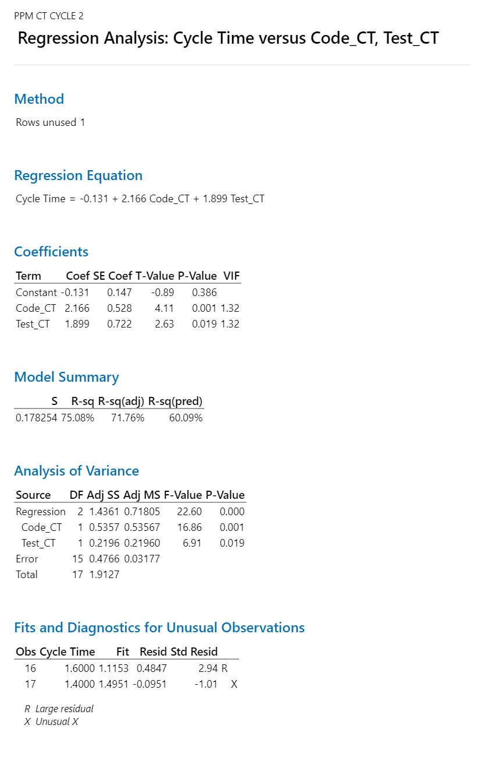

 |  |  |  | Regression Equation
 |  |  |  | Cycle Time | = | -0.131 + 2.166 Code_CT + 1.899 Test_CT

 |  |  |  |  | AS-IS | Cycle time | Code_CT | Test_CT
 |  |  |  |  | Mean | 0.815 | 0.2968 | 0.1717
 |  |  |  |  | SD | 0.249 | 0.102 | 0.053
 |  |  |  |  | UCL | 1.561 | 0.602 | 0.3301
 |  |  |  |  | LCL | 0.068 | -0.0083 | 0.0133

 |  |  |  |  | Target | Cycle time
 |  |  |  |  | Mean | 0.7335 |  | 0.0815
 |  |  |  |  | SD | 0.25 |  |  | 0.90671165644

 |  |  |  |  | What if | Cycle time | Code_CT | Test_CT
 |  |  |  |  | Mean | 0.73897 | 0.2 | 0.23
 |  |  |  |  | SD | 0.25 | 0.1 | 0.5
 |  |  |  |  | USL | 1.48897 | 0.5 | 1.73
 |  |  |  |  | LSL | -0.01103 | -0.1 | -1.27

PPM DRE Cycle 2
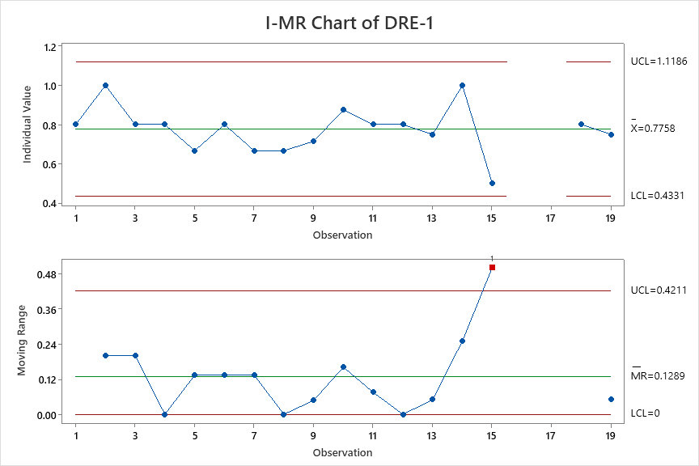
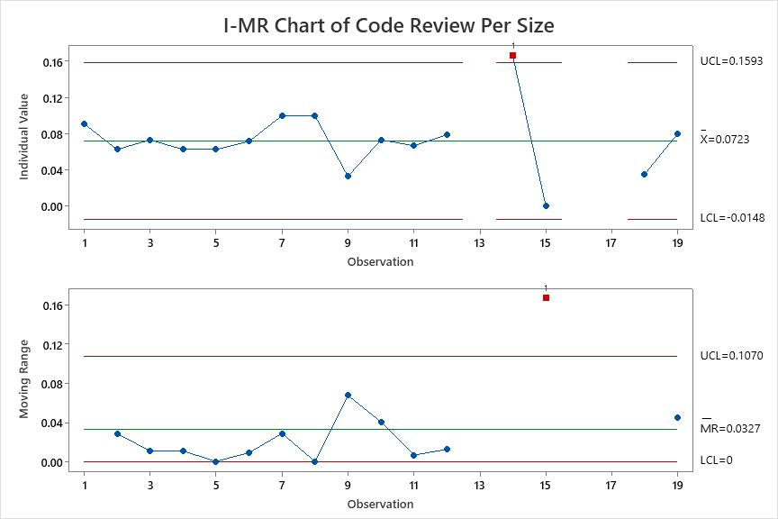
DRE-1 | Code Review Per Size | DRE-1 | Code Review Per Size
0.8 | 0.090909090909 | 0.800 | 0.091
1 | 0.0625 | 1.000 | 0.063
0.8 | 0.073170731707 | 0.800 | 0.073
0.8 | 0.0625 | 0.800 | 0.063
0.66666666667 | 0.0625 | 0.667 | 0.063
0.8 | 0.071428571429 | 0.800 | 0.071
0.66666666667 | 0.1 | 0.667 | 0.100
0.66666666667 | 0.1 | 0.667 | 0.100
0.71428571429 | 0.032608695652 | 0.714 | 0.033
0.875 | 0.073170731707 | 0.875 | 0.073
0.8 | 0.066666666667 | 0.800 | 0.067
0.8 | 0.078947368421 | 0.800 | 0.079
0.75 | 0.1 | 0.750 | 0.100
1 | 0.16666666667 | 1.000 | 0.167
0.5 | 0 | 0.500 | 0.000
0.6 | 0.2 | 0.600 | 0.200
0.66666666667 | 0.2 | 0.667 | 0.200
0.8 | 0.035714285714 | 0.800 | 0.035
0.75 | 0.08 | 0.750 | 0.080

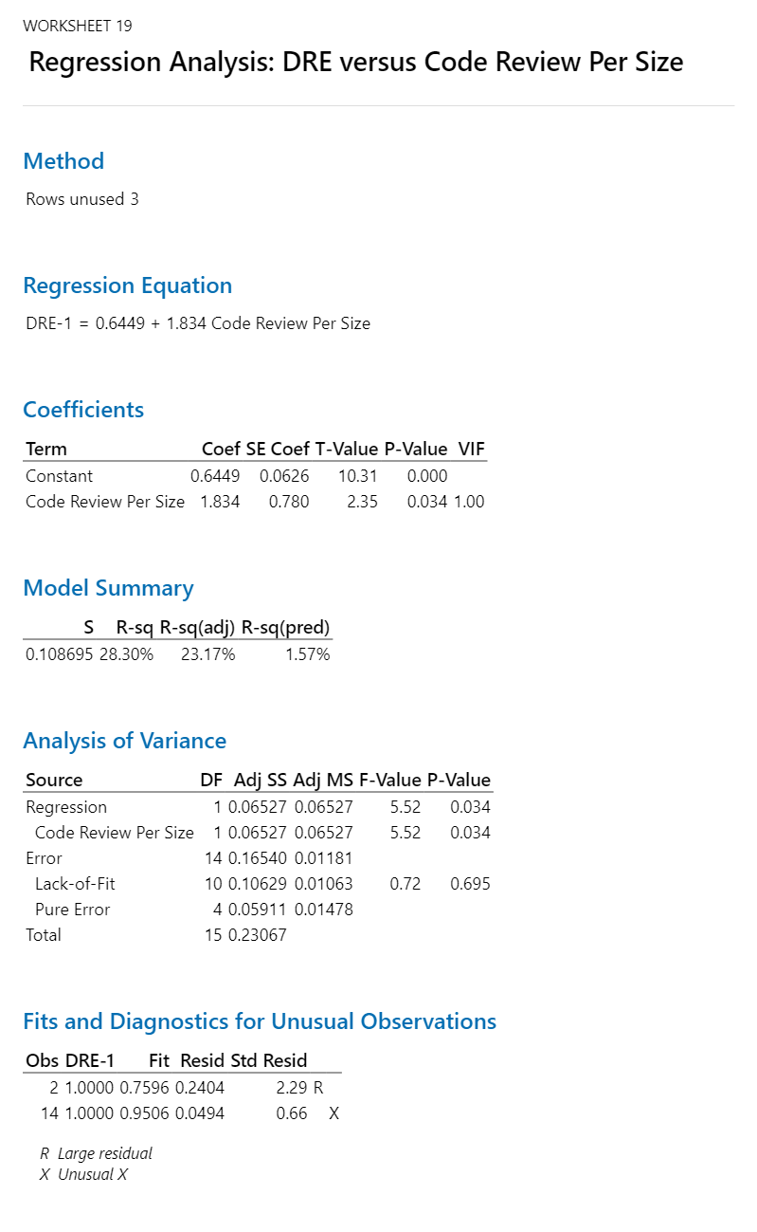

 |  |  |  | Regression Equation
 |  |  |  | DRE-1 | = | 0.6449 + 1.834 Code Review Per Size

 |  |  |  |  |  | AS-IS | DRE | Code Review Per Size
 |  |  |  |  |  | Mean | 0.776 | 0.0723
 |  |  |  |  |  | SD | 0.114 | 0.029
 |  |  |  |  |  | UCL | 1.1186 | 0.1593
 |  |  |  |  |  | LCL | 0.4331 | -0.0148

 |  |  |  |  |  | Target | DRE
 |  |  |  |  |  | Mean | 0.81 |  | 0.0388
 |  |  |  |  |  | SD | 0.10

 |  |  |  |  |  | What if | DRE | Code Review Per Size
 |  |  |  |  |  | Mean | 0.80996 | 0.09
 |  |  |  |  |  | SD | 0.1 | 0.05
 |  |  |  |  |  | USL | 1.10996 | 0.24
 |  |  |  |  |  | LSL | 0.50996 | -0.06

